dc
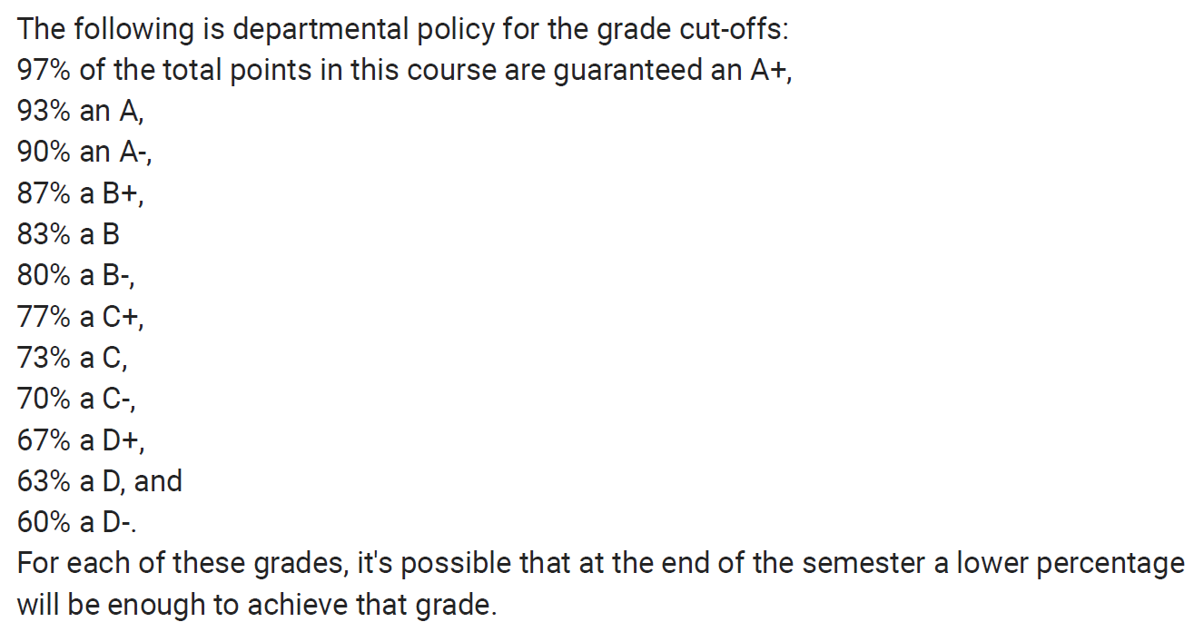
 | homework | midterm | project | final
percent weight | 20% | 30% | 5% | 45%
possible points | 440 | 100 | 100 | 250
homework 1
homework 2
homework 3
homework 4
homework 5
homework 6
midterm
project
final

points earned | 0 | 0 | 0 | 0
percent score | 0.0000% | 0.0000% | 0.0000% | 0.0000%
percent weight earned | 0.0000% | 0.0000% | 0.0000% | 0.0000%

cumulative final grade | 0.00%

 | Fill in the yellow cells with your grade data to see what-if cases for your grade

